Shared_HV
Google BigQuery Overview: |  |  | https://www.youtube.com/watch?v=d3MDxC_iuaw&list=PLIivdWyY5sqLAbIdmcMwsxWg-w8Px34MS&index=1&ab_channel=GoogleCloudTech
Google BigQuery Syntax: |  |  | https://cloud.google.com/bigquery/docs/reference/standard-sql/format-elements
Dataset Dictionary: |  |  | https://drive.google.com/file/d/1bwwsS3cRJYOg1cvNppc1K_8dQLELN16T/view?usp=share_link
Deprt | Q_no | Biz question | Expected DIM output (Enter = 1 Column) | Example METRIC output (Enter = 1 Column) | Final Results (few rows):
Sales | 1 | Calc Quantity of items, Sales value & Order quantity by each Subcategory in L12M | Period Category Qty LineTotal Order | Sep 2013 Bike Racks 312, 22828.512000000002 71
 | 2 | Calc % YoY growth rate by SubCategory & release top 3 cat with highest grow rate. Can use metric: quantity_item. Round results to 2 decimal | Cat name Qty_item Prv_qty Grow rate/Qty_diff | Mountain Frames 3168 510 5.21
 | 3 | Ranking Top 3 TeritoryID with biggest Order quantity of every year. If there's TerritoryID with same quantity in a year, do not skip the rank number | Year period, Territory ID, Order quantity | 2014 4 11632 1 | 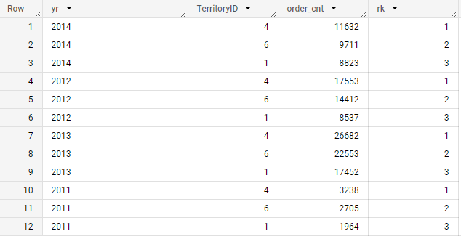
 | 4 | Calc Total Discount Cost belongs to Seasonal Discount for each SubCategory | Year SubCate Name Total Cost for Discount | 2012 Helmets 49.19999
 | 5 | Retention rate of Customer in 2014 with status of Successfully Shipped (Cohort Analysis) | month_join month_diff customer_cnt | 1 M-0 2076 | 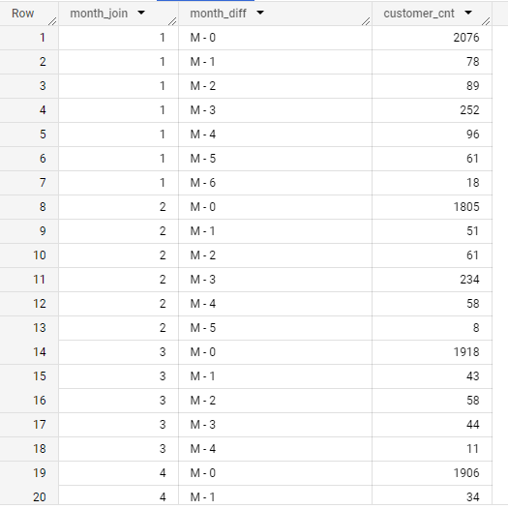
Production | 6 | Trend of Stock level & MoM diff % by all product in 2011. If %gr rate is null then 0. Round to 1 decimal | Product Name Month Year Stock_current Stock_prv %diff | BB Bali Bearing 12 2011 8475 14544 -41.7 | 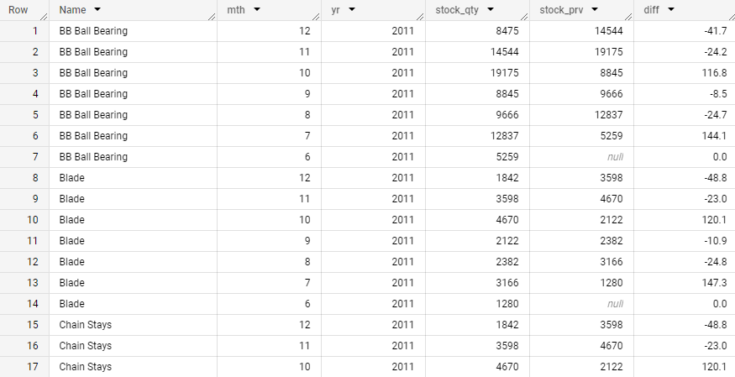
 | 7 | Calc MoM Ratio of Stock / Sales in 2011 by product name Order results by month desc, ratio desc. Round Ratio to 1 decimal | Month Year ProductID Name Stock_Qty Order_Qty Ratio | 12 2011 745 HL Mountain Frame - Black, 48 1 27 27.0
Purchasing | 8 | No of order and value at Pending status in 2014 | Year Status Order_cnt Value | 2014 1 224 3873579.012300
HR | 9 | Top employee with highest monthly pay in the last 6 months | Depart, Employee Name, Monthly pay

